Sorted alphabetically
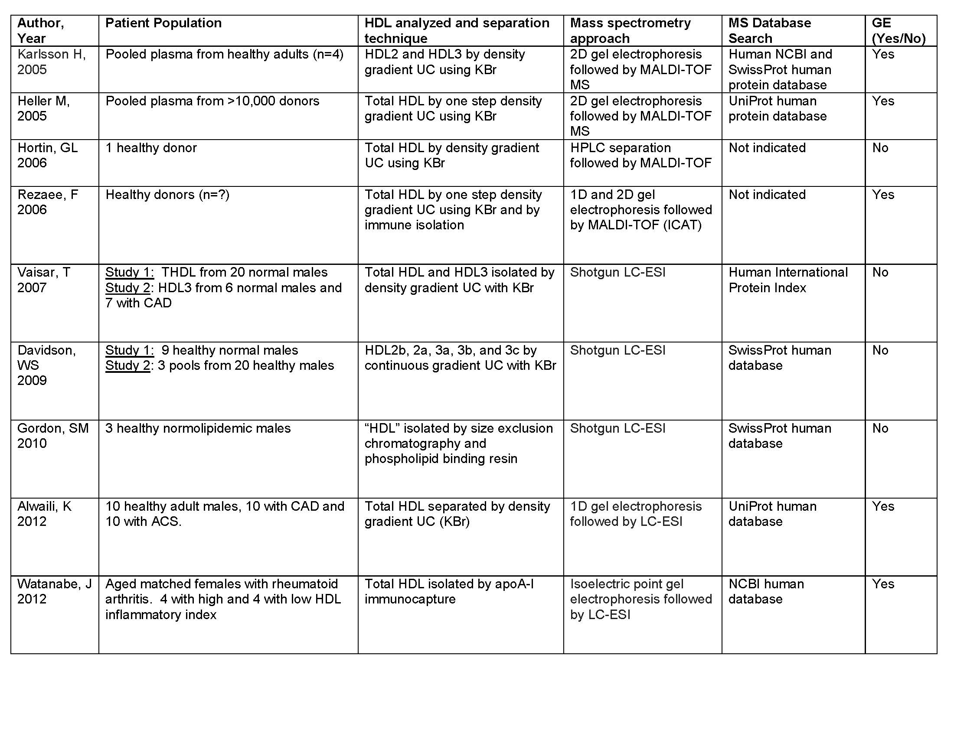
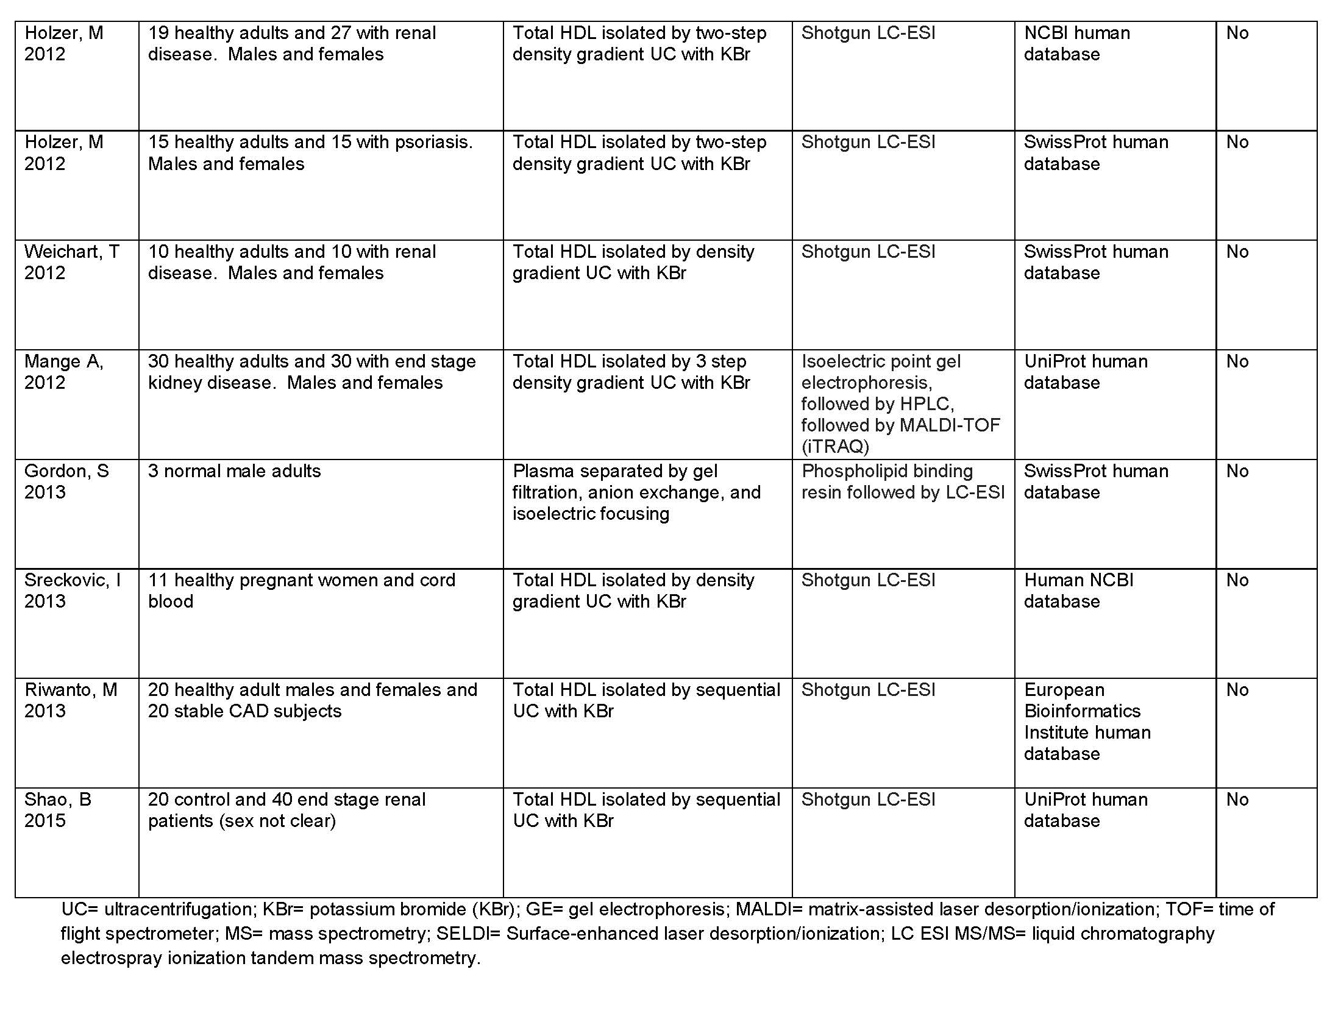
Master compendium of HDL associated proteins identified using modern proteomic strategies
(arranged alphabetically by recommended protein name, proteins in red appeared in at least 3 different MS studies or had independent biochemical evidence of HDL residence)

Recommended protein name | Alternative names | Abbrev. | Acc. # | Karlsson (1) | Heller (2) | Hortin (3) | Rezaee (4) | Vaisar (5) | Davidson (6) | Gordon (7) | Alwaili (8) | Watanabe (9) | Holzer (10) | Holzer (11) | Weichhart (12) | Mange (13) | Gordon (14) | Sreckovic (15) | Riwanto (16) | Shao (17) | Hits | Likely* | Reference for HDL interaction | Link to paper

14-3-3 protein zeta/delta | protein kinase C inhibitor protein 1 | YWHAZ | P63104 |  |  |  |  |  |  |  |  |  |  |  |  | 1 |  |  |  |  | 1 | 0
26S proteasome non-ATPase regulatory subunit 2 | 26S proteasome regulatory subunit RPN1, 26S proteasome regulatory subunit S2, 26S proteasome subunit p97, protein 55.11, tumor necrosis factor type1 receptor-associated protein 2 | PSMD2 | Q13200 |  |  |  |  |  |  |  |  |  |  |  |  | 1 |  |  |  |  | 1 | 0
actin, cytoplasmic 2 | gamma-actin | ACTG1 | P63261 |  |  |  |  |  |  |  |  |  |  |  |  | 1 |  |  |  |  | 1 | 0
adipocyte plasma membrane-associated protein | protein BSCv | APMAP | Q9HDC9 |  |  |  |  |  |  |  |  |  |  | 1 |  |  |  |  | 1 |  | 2 | 0
afamin | alpha-albumin | AFM | P43652 |  |  |  |  |  |  |  | 1 | 1 |  |  |  | 1 | 1 |  |  |  | 4 | 1
albumin |  | ALB | P02768 |  | 1 |  | 1 | 1 | 1 |  |  | 1 | 1 | 1 | 1 | 1 | 1 | 1 | 1 | 1 | 13 | 1
alpha-1-acid glycoprotein 1 | orosomucoid-1 | ORM1 | P02763 |  |  |  |  |  |  |  | 1 | 1 |  | 1 | 1 | 1 |  | 1 |  | 1 | 7 | 1
alpha-1-acid glycoprotein 2 | orosomucoid-2 | ORM2 | P19652 |  | 1 |  |  | 1 |  |  | 1 | 1 |  |  | 1 | 1 |  |  | 1 | 1 | 8 | 1
alpha-1-antichymotrypsin | cell growth inhibiting gene 24/25 protein, serpin A3 | SERPINA3 | P01011 |  |  |  |  |  |  | 1 | 1 |  |  | 1 |  | 1 | 1 |  | 1 |  | 6 | 1
alpha-1-antitrypsin | alpha-1 protease inhibitor, alpha-1-antiprotease, serpin A1 | SERPINA1 | P01009 | 1 | 1 | 1 |  | 1 | 1 | 1 | 1 |  | 1 | 1 |  | 1 | 1 | 1 | 1 | 1 | 14 | 1 | FASEB J. 2009 Sep;23(9):3129-39. | http://www.fasebj.org/content/23/9/3129.long
alpha-1B-glycoprotein | alpha-1-B glycoprotein | A1BG | P04217 |  |  | 1 | 1 | 1 |  |  | 1 | 1 |  | 1 | 1 | 1 | 1 |  |  |  | 9 | 1
alpha-2-antiplasmin | alpha-2-plasmin inhibitor, serpin F2 | SERPINF2 | P08697 |  |  |  |  | 1 |  | 1 |  | 1 |  |  |  | 1 | 1 |  | 1 |  | 6 | 1
alpha-2-HS-glycoprotein | alpha-2-Z-globulin, Ba-alpha-2-glycoprotein, fetuin-A | AHSG | P02765 |  | 1 |  |  | 1 |  | 1 | 1 | 1 |  | 1 | 1 | 1 | 1 | 1 | 1 | 1 | 12 | 1
alpha-2-macroglobulin | C3 and PZP-like alpha-2-macroglobulin domain-containing protein 5 | A2M | P01023 |  |  |  |  |  |  | 1 |  | 1 |  | 1 |  | 1 | 1 |  | 1 |  | 6 | 1
alpha-actinin-4 | F-actin cross-linking protein, non-muscle alpha-actinin 4 | ACTN4 | O43707 |  |  |  |  |  |  |  |  |  |  |  |  | 1 |  |  |  |  | 1 | 0
alpha-amylase 1 |  | AMY1A | P04745 | 1 |  |  |  |  |  |  |  |  |  |  |  | 1 |  |  |  |  | 2 | 0
aminopeptidase N |  | ANPEP | P15144 |  |  |  |  |  |  |  | 1 |  |  |  |  |  |  |  | 1 |  | 2 | 0
anthrax toxin receptor 1 | tumor endothelial marker 8 | ANTXR1 | Q9H6X2 |  |  |  |  |  |  |  |  |  |  |  |  |  |  |  | 1 |  | 1 | 0
anthrax toxin receptor 2 | capillary morphogenesis gene 2 protein | ANTXR2 | P58335 |  |  |  |  |  |  |  |  |  |  |  |  |  |  |  | 1 |  | 1 | 0
angiotensinogen | serpin A8 | AGT | P01019 |  | 1 |  |  | 1 |  |  | 1 |  |  |  |  | 1 | 1 |  | 1 | 1 | 7 | 1
antithrombin-III | serpin C1 | SERPINC1 | P01008 |  |  |  |  |  |  | 1 | 1 | 1 |  |  | 1 | 1 | 1 |  | 1 |  | 7 | 1
apolipoprotein A-I |  | APOA1 | P02647 | 1 | 1 | 1 | 1 | 1 | 1 | 1 | 1 | 1 | 1 | 1 | 1 | 1 | 1 | 1 | 1 | 1 | 17 | 1
apolipoprotein A-II |  | APOA2 | P02652 | 1 | 1 |  | 1 | 1 | 1 | 1 | 1 | 1 | 1 | 1 | 1 | 1 | 1 | 1 | 1 | 1 | 16 | 1
apolipoprotein A-IV |  | APOA4 | P06727 | 1 | 1 | 1 | 1 | 1 | 1 | 1 | 1 | 1 | 1 | 1 | 1 | 1 | 1 | 1 | 1 | 1 | 17 | 1
apolipoprotein A-V | regeneration-associated protein 3 | APOA5 | Q6Q788 |  |  |  |  |  |  |  |  |  |  |  |  |  |  |  | 1 |  | 1 | 1 | Clin Chem. 2006 Mar;52(3):514-7. | http://www.clinchem.org/content/52/3/514.long
apolipoprotein B |  | APOB | P04114 |  | 1 |  |  | 1 | 1 | 1 |  | 1 | 1 | 1 | 1 | 1 | 1 | 1 | 1 | 1 | 13 | 1
apolipoprotein C-I |  | APOC1 | P02654 | 1 | 1 |  |  | 1 | 1 | 1 | 1 | 1 | 1 | 1 | 1 | 1 | 1 | 1 | 1 | 1 | 15 | 1
apolipoprotein C-II |  | APOC2 | P02655 | 1 | 1 |  | 1 | 1 | 1 |  | 1 | 1 | 1 | 1 | 1 | 1 | 1 | 1 | 1 | 1 | 15 | 1
apolipoprotein C-III |  | APOC3 | P02656 | 1 | 1 | 1 | 1 | 1 | 1 | 1 | 1 | 1 | 1 | 1 | 1 | 1 | 1 | 1 | 1 | 1 | 17 | 1
apolipoprotein C-IV |  | APOC4 | P55056 |  |  |  |  | 1 | 1 |  | 1 |  | 1 | 1 |  | 1 |  | 1 | 1 | 1 | 9 | 1
apolipoprotein D |  | APOD | P05090 |  | 1 |  | 1 | 1 | 1 |  | 1 | 1 | 1 | 1 | 1 | 1 | 1 | 1 | 1 | 1 | 14 | 1
apolipoprotein E |  | APOE | P02649 | 1 | 1 |  | 1 | 1 | 1 | 1 | 1 | 1 | 1 | 1 | 1 | 1 | 1 | 1 | 1 | 1 | 16 | 1
apolipoprotein F | lipid transfer inhibitor protein | APOF | Q13790 |  | 1 |  |  | 1 | 1 |  | 1 | 1 |  | 1 | 1 |  | 1 | 1 | 1 | 1 | 11 | 1
apolipoprotein H | β-2-glycoprotein 1 | APOH | P02749 |  |  |  |  | 1 |  | 1 | 1 | 1 |  | 1 | 1 | 1 | 1 | 1 | 1 | 1 | 11 | 1
apolipoprotein J | clustrin | CLU | P10909 |  | 1 |  | 1 | 1 | 1 | 1 | 1 | 1 |  | 1 | 1 | 1 | 1 |  | 1 | 1 | 13 | 1
apolipoprotein M | protein G3A | APOM | O95445 | 1 |  |  | 1 | 1 | 1 | 1 | 1 | 1 | 1 | 1 | 1 | 1 | 1 | 1 | 1 | 1 | 15 | 1
apolipoprotein O | protein FAM121B | APOO | Q9BUR5 |  |  |  |  |  |  |  |  |  |  |  |  |  |  |  |  |  | 0 | 1 | J Biol Chem. 2006 Nov 24;281(47):36289-302 | http://www.jlr.org/content/53/9/1952.full.pdf+html | Plasma apolipoprotein O level increased in the patients with acute coronary syndrome
apolipoprotein(a) |  | LPA | P08519 |  | 1 |  |  |  | 1 |  |  |  | 1 |  | 1 | 1 |  |  | 1 | 1 | 7 | 1
apolipoprotien L1 | apolipoprotein L | APOL1 | O14791 | 1 | 1 | 1 | 1 | 1 | 1 | 1 | 1 | 1 | 1 | 1 | 1 | 1 | 1 | 1 | 1 | 1 | 17 | 1
beta-2-microglobulin |  | B2M | P61769 |  |  |  |  |  |  |  | 1 |  |  |  |  | 1 |  |  |  | 1 | 3 | 1
bifunctional proten NCOAT | meningioma-expressed antigen 5 | MGEA5 | O60502 |  |  |  | 1 |  |  |  |  |  |  |  |  |  |  |  |  |  | 1 | 0
BPI fold-containing family B member 1 | long palate, lung and nasal epithelium carcinoma-associated protein 1, Von Ebner minor salivary gland protein | BPIFB1 | Q8TDL5 |  |  |  |  |  |  |  |  |  |  |  |  |  |  |  | 1 |  | 1 | 0
C4b-binding protein alpha chain | proline-rich protein | C4BPA | P04003 |  |  |  |  |  |  |  |  |  |  |  |  | 1 | 1 |  | 1 | 1 | 4 | 1 | Biochemistry. 1994 Mar 1;33(8):1988-93 | http://pubs.acs.org/doi/pdf/10.1021/bi00174a003
carbonic anhydrase 6 | carbonate dehydratase VI, carbonic anhydrase Vi, salivary carbonic anhydrase, secreted carbonic anhydrase | CA6 | P23280 |  |  |  |  |  |  |  |  |  |  |  |  |  |  |  | 1 |  | 1 | 0
carboxypeptidase N | anaphylatoxin inactivator, arginine carboxypeptidase, carboxypeptidase N polypeptide 1, carboxypeptidase N small subunit, kininase-1, lysine carboxypeptidase, plasma carboxypeptidase B, serum carboxypeptidase N | CPN | P15169 |  |  |  |  |  |  |  |  | 1 |  |  |  |  | 1 |  |  |  | 2 | 0
carboxypeptidase B2 | Carboxypeptidase U | CBPB2 | Q96IY4 |  |  |  |  |  |  |  |  |  |  |  |  |  | 1 |  |  |  | 1 | 0
catenin alpha-2 | alpha N-catenin, alpha catenin-related protein, cadherin-associated protein-related | CTNA2 | P26232 |  |  |  |  |  |  |  |  |  | 1 |  |  |  |  |  |  |  | 1 | 0
cathelicidin antimicrobial peptide | 18 kDa cationic antimicrobial protein | CAMP | P49913 |  |  |  |  |  |  |  | 1 |  |  |  |  |  |  |  | 1 | 1 | 3 | 1
ceruloplasmin | ferroxidase | CP | P00450 |  |  |  | 1 |  |  |  |  |  |  |  | 1 | 1 | 1 |  |  |  | 4 | 1
cholesteryl ester transfer protein | lipid transfer protein I | CETP | P11597 |  |  |  | 1 | 1 |  |  |  |  |  |  |  | 1 |  |  | 1 | 1 | 5 | 1
Cip1-interacting zinc finger protein | ZNF356, CDKN1A-interacting zinc finger protein 1, nuclear protein NP94 | CIZ1 | Q9ULV3 |  |  |  | 1 |  |  |  |  |  |  |  |  |  |  |  |  |  | 1 | 0
coagulation factor V | activated protein C cofactor, proaccelerin, labile factor | F5 | P12259 |  |  |  |  | 1 |  |  |  |  |  |  |  |  |  |  |  |  | 1 | 0
coagulation factor X | Stuart factor | FA10 | P00742 |  |  |  |  |  |  |  |  |  |  |  |  |  | 1 |  |  |  | 1 | 0
coagulation factor XII | Hageman factor | F12 | P00748 |  |  |  |  |  |  |  |  | 1 |  |  |  |  | 1 |  |  |  | 2 | 0
complement C1q subcomponent subunit B |  | C1QB | P02746 |  |  |  |  |  |  | 1 |  |  |  |  |  |  | 1 |  |  |  | 2 | 0
complement C1q subcomponent subunit C |  | C1QC | P02747 |  |  |  |  |  |  | 1 |  |  |  |  |  |  | 1 |  |  |  | 2 | 0
complement C1r | complement component 1 subcomponent r | C1R | P00736 |  |  |  |  |  |  |  |  | 1 |  |  |  |  | 1 |  |  |  | 2 | 0
complement C1s subcomponent | C1 esterase, complement component 1 subcomponent s | C1S | P09871 |  |  |  |  |  |  | 1 | 1 | 1 |  |  |  |  | 1 |  |  |  | 4 | 1
complement C2 | C3/C5 convertase | C2 | P06681 |  |  |  |  |  |  | 1 |  | 1 |  |  |  |  | 1 |  |  |  | 3 | 1
complement C3 | PZP-like alpha-2-macroglobulin domain-containing protein 1 | C3 | P01024 |  |  |  | 1 | 1 |  | 1 | 1 |  | 1 | 1 | 1 | 1 | 1 |  | 1 | 1 | 11 | 1
complement C4-A | PZP-like alpha-2-macroglobulin domain-containing protein 2 | C4A | P0C0L4 |  |  |  |  | 1 |  |  |  |  |  |  | 1 |  |  |  |  | 1 | 3 | 1
complement C4-B | PZP-like alpha-2-macroglobulin domain-containing protein 3, basic complement C4 | C4B | P0C0L5 |  |  |  |  | 1 |  | 1 | 1 | 1 |  | 1 |  | 1 | 1 |  | 1 | 1 | 9 | 1
complement C5 | C3 and PZP-like alpha-2-macroglobulin domain-containing protein 4 | C5 | P01031 |  |  |  |  |  |  | 1 |  |  |  |  |  |  | 1 |  |  |  | 2 | 0
complement C6 |  | CO6 | P13671 |  |  |  |  |  |  |  |  |  |  |  |  |  | 1 |  |  |  | 1 | 0
complement C7 |  | CO7 | P10643 |  |  |  |  |  |  |  |  |  |  |  |  |  | 1 |  |  |  | 1 | 0
complement C8-alpha | complement component 8 subunit alpha | C8A | P07357 |  |  |  |  |  |  |  |  |  |  |  |  |  | 1 |  |  |  | 1 | 0
complement C8-beta | complement component 8 subunit beta | C8B | P07358 |  |  |  |  |  |  |  |  | 1 |  |  |  |  | 1 |  |  |  | 2 | 0
complement C9 | complement component C9 precursor | C9 | P02748 |  |  |  |  | 1 |  |  |  | 1 |  |  |  | 1 | 1 |  | 1 |  | 5 | 1
complement factor B | C3/C5 convertase, glycine-rich beta glycoprotein, PBF2, properdin factor B | CFB | P00751 |  |  |  |  |  |  | 1 | 1 | 1 |  |  |  | 1 | 1 |  |  |  | 5 | 1
complement factor D | adipsin, C3 convertase activator, properdin factor D | CFAD | P00746 |  |  |  |  |  |  |  |  |  |  |  | 1 | 1 |  |  |  | 1 | 3 | 1
complement factor H | H factor 1 | CFH | P08603 |  |  |  | 1 |  |  |  |  | 1 |  | 1 |  | 1 | 1 |  |  |  | 5 | 1
complement factor I | C3B/C4B inactivator | CFI | P05156 |  |  |  |  |  |  |  |  |  |  |  |  | 1 | 1 |  |  |  | 2 | 0
C-reactive protein |  | CRP | P02741 |  |  |  | 1 |  |  |  |  |  |  |  |  |  |  |  |  |  | 1 | 0
C-type lectin domain family 3 member A | C-type lectin superfamily member 1, cartilage-derived C-type lectin | CLEC3A | O75596 |  |  |  | 1 |  |  |  |  |  |  |  |  |  |  |  |  |  | 1 | 0
cystatin-C | cystatin-3, gamma trace, neuroendocrine basic polypeptide, post-gamma-globulin | CYTC | P01034 |  |  |  |  |  |  |  |  |  | 1 |  |  | 1 |  |  |  | 1 | 3 | 1
dermcidin | dermcidin | DCD | P81605 |  |  |  |  |  |  |  |  |  |  |  |  | 1 |  |  | 1 |  | 2 | 0
desmocollin-1 | cadherin family member-1, desmosomal glycoprotein 2/3 | DSC1 | Q08554 |  |  |  | 1 |  |  |  |  |  |  |  |  |  |  |  |  |  | 1 | 0
desmoplakin | 250/210 kDa paraneoplastic pemphigus antigen | DSP | P15924 |  |  |  |  |  |  |  |  |  |  |  |  |  |  |  | 1 |  | 1 | 0
DOCK9 protein |  | DOCK9 | A6H8Z6 |  |  |  |  |  |  |  |  |  |  |  |  |  |  |  | 1 |  | 1 | 0
dynein heavy chain 2, axonemal | axonemal beta dynein heavy chain 2, ciliary dynein heavy chain 2, dynein heavy chain domain-containing protein 3 | DNAH2 | Q9P225 |  |  |  |  |  |  |  |  |  |  |  |  | 1 |  |  |  |  | 1 | 0
endosialin | tumor endothelial marker 1 | CD248 | Q9HCU0 |  |  |  |  |  |  |  |  |  |  |  |  |  |  |  | 1 |  | 1 | 0
erythrocyte band 7 integral membrane protein | protein 7.2b, stomatin | STOM | P27105 |  |  |  |  |  |  |  |  |  |  |  |  | 1 |  |  |  |  | 1 | 0
extracellular matrix protein 1 | Secretory component p85 | ECM1 | Q16610 |  |  |  |  |  |  |  |  |  |  |  |  |  | 1 |  |  |  | 1 | 0
fermitin family homolog 3 | kindlin-3, MIG2-like protein, Unc-112-rrelated protein 2 | FERMT3 | Q86UX7 |  |  |  |  |  |  |  |  |  |  |  |  | 1 |  |  |  |  | 1 | 0
fibrinogen alpha chain |  | FGA | P02671 | 1 |  | 1 |  | 1 | 1 | 1 | 1 | 1 |  | 1 |  | 1 | 1 |  |  | 1 | 11 | 1 | Blood. 2000;95: 198-204 | http://bloodjournal.hematologylibrary.org/content/95/1/198.full.pdf
fibrinogen beta chain |  | FGB | P02675 | 1 |  | 1 |  |  |  |  |  |  |  |  |  | 1 | 1 |  |  | 1 | 5 | 1
fibrinogen gamma chain |  | FGG | P02679 |  |  |  |  |  |  |  |  | 1 |  |  |  | 1 | 1 |  |  |  | 3 | 1
fibronectin | cold-insoluble globulin | FN1 | P02751 |  |  |  |  |  |  |  | 1 | 1 |  |  |  | 1 | 1 |  |  |  | 4 | 1
fibulin-1 |  | FBLN1 | P23142 |  |  |  |  |  |  |  |  |  |  |  |  |  | 1 |  |  |  | 1 | 0
ficolin-3 | collagen/fibrinogen domain-containing lectin 3 p35, harkata antigen | FCN3 | O75636 |  |  |  |  |  |  | 1 |  |  |  |  |  |  | 1 |  |  |  | 2 | 0
filamin-A | Actin-binding protein 280, Alpha-filamin, Endothelial actin-binding protein, Filamin-1, Non-muscle filamin | FLNA | P21333 |  |  |  |  |  |  |  |  |  |  |  |  | 1 |  |  |  |  | 1 | 0
galectin-7 | LEG-7, PIG1, LGALS7B, HKL-14,PI7,p53-induced gene 1 protein | LGALS7 | P47929 |  | 1 |  |  |  |  |  |  |  |  |  |  |  |  |  |  |  | 1 | 0
gelsolin | AGEL, actin-depolymerizing factor | GSN | P06396 |  |  |  |  |  |  |  | 1 | 1 |  |  |  | 1 | 1 |  |  |  | 4 | 1
growth arrest-specific protein 6 | AXL receptor tyrosine kinase ligand | GAS6 | Q14393 |  |  |  | 1 |  |  |  |  |  |  |  |  |  |  |  |  |  | 1 | 0
growth-inhibiting protein 12 |  | GIG12 | Q5DSM0 |  |  |  |  |  |  |  |  |  | 1 |  |  |  |  |  |  |  | 1 | 0
GTP-binding protein SAR1a | COPII-associated small GTPase | SAR1A | Q9NR31 |  |  |  |  |  |  |  |  |  |  |  |  |  |  |  | 1 |  | 1 | 0
haptoglobin | haptoglobin | HP | P00738 |  |  |  | 1 |  |  |  |  |  | 1 | 1 | 1 | 1 | 1 |  | 1 | 1 | 8 | 1 | Biochemistry. 1994 Mar 1;33(8):1988-93 | http://pubs.acs.org/doi/pdf/10.1021/bi00174a003
haptoglobin related protein |  | HPR | P00739 |  | 1 |  | 1 | 1 | 1 | 1 | 1 | 1 |  |  | 1 | 1 | 1 |  | 1 | 1 | 12 | 1 |  | http://www.sciencemag.org/content/268/5208/284.long
hemoglobin subunit alpha | alpha-globin, hemoglobin alpha chain | HBA1 | P69905 |  |  |  |  |  |  |  | 1 | 1 |  | 1 | 1 | 1 |  | 1 | 1 |  | 7 | 1
hemoglobin subunit beta | beta-globin, hemoglobin beta chain | HBB | P68871 |  |  |  |  |  |  |  | 1 | 1 |  | 1 | 1 |  |  | 1 | 1 |  | 6 | 1
hemopexin | beta-1B-glycoprotein | HPX | P02790 |  |  |  |  | 1 |  | 1 | 1 | 1 |  | 1 | 1 | 1 | 1 |  |  |  | 8 | 1
heparin cofactor 2 | protease inhibitor leuserpin-2 | SERPIND1 | P05546 |  |  |  |  |  |  | 1 | 1 | 1 |  |  |  | 1 | 1 |  | 1 |  | 6 | 1
histidine-rich glycoprotein | histidine-proline-rich glycoprotein | HRG | P04196 |  |  |  |  |  |  |  |  | 1 |  |  |  | 1 | 1 |  |  |  | 3 | 1
histone H2A | histone H2A/p | HIST1H2AG | P0C0S8 |  |  |  |  | 1 |  |  |  |  |  |  |  |  |  |  |  |  | 1 | 0
HLA-A protein (fragment) |  | HLA-A | Q29946 |  |  |  | 1 |  |  |  |  |  |  |  |  |  |  |  | 1 |  | 2 | 0
hornerin |  | HRNR | Q86YZ3 |  |  |  |  |  |  |  |  |  |  |  |  |  |  |  | 1 |  | 1 | 0
hyaluronan BP 2 | Factor VII-activating protease, hepatocyte growth factor activator-like protein, plasma hyaluronan-binding protein | HABP2 | Q14520 |  |  |  |  |  |  |  |  | 1 |  |  |  | 1 |  |  |  |  | 2 | 0
Ig alpha-1 chain C region |  | IGHA1 | P01876 |  |  |  |  |  |  |  |  |  |  | 1 |  | 1 | 1 |  |  | 1 | 4 | 1
Ig alpha-2 chain C region |  | IGHA2 | P01877 |  |  |  |  |  |  |  |  |  |  |  |  |  |  |  |  | 1 | 1 | 0
Ig delta chain C region |  | IGHD | P01880 |  |  |  |  |  |  |  |  |  |  |  |  |  | 1 |  |  |  | 1 | 0
Ig gamma-1 chain C region |  | IGHG1 | P01857 |  |  |  |  |  |  |  |  |  |  |  | 1 | 1 | 1 | 1 |  | 1 | 5 | 1
Ig gamma-2 chain C region |  | IGHG2 | P01859 |  |  |  |  |  |  |  |  |  |  |  |  | 1 | 1 |  |  |  | 2 | 0
Ig gamma-3 chain C region | heavy chain disease protein | IGHG3 | P01860 |  |  |  |  |  |  |  |  |  |  |  |  |  | 1 |  |  |  | 1 | 0
Ig gamma-4 chain C region |  | IGHG4 | P01861 |  |  |  |  |  |  |  |  |  |  |  |  |  | 1 |  |  |  | 1 | 0
IGH@ protein |  | IGH@ | Q6GMX6 |  |  |  |  |  |  |  |  |  |  |  |  |  |  |  | 1 |  | 1 | 0
Ig heavy chain V-III region BRO |  | HV305 | P01766 |  |  |  |  |  |  |  |  |  |  |  |  |  | 1 |  |  |  | 1 | 0
Ig heavy chain V-III region TIL |  | HV304 | P01765 |  |  |  |  |  |  |  |  |  |  |  |  |  | 1 |  |  |  | 1 | 0
IGK@ |  | IGK@ | Q6PIL8 |  |  |  |  |  |  |  |  |  |  |  |  |  |  |  | 1 |  | 1 | 0
Ig kappa chain C region |  | IGKC | P01834 |  |  |  |  |  |  |  |  |  |  | 1 |  | 1 | 1 |  | 1 | 1 | 5 | 1
Ig kappa chain V-I region AG |  | KV101 | P01593 |  |  |  |  |  |  |  |  |  |  |  |  | 1 |  |  |  |  | 1 | 0
Ig kappa chain V-III region SIE |  | KV302 | P01620 |  |  |  |  |  |  |  |  |  |  |  |  |  | 1 |  |  |  | 1 | 0
Ig kappa chain V-III region VG (Fragment) |  | KV309 | P04433 |  |  |  |  |  |  |  |  |  |  | 1 |  | 1 |  |  |  |  | 2 | 0
Ig kappa chain V-IV region B17 |  | KV404 | P06314 |  |  |  |  |  |  |  |  |  |  |  |  | 1 |  |  |  |  | 1 | 0
Ig lambda-1 chain C regions |  | IGLC1 | P01842 |  |  |  |  |  |  |  |  |  |  | 1 |  | 1 | 1 |  |  |  | 3 | 1
Ig lambda-2 chain C regions |  | IGLC2 | P0CG05 |  |  |  |  |  |  |  |  |  |  |  |  |  |  |  |  | 1 | 1 | 0
Ig lambda chain V-I region HA |  | LV102 | P01700 |  |  |  |  |  |  |  |  |  |  |  |  | 1 | 1 |  |  |  | 2 | 0
Ig lambda chain V-III region LOI |  | LV302 | P80748 |  |  |  |  |  |  |  |  |  |  |  |  | 1 | 1 |  |  |  | 2 | 0
Ig mu chain C region |  | IGHM | P01871 |  |  |  |  |  |  |  |  |  |  |  |  | 1 | 1 |  |  | 1 | 3 | 1
immunoglobulin J chain |  | IGJ | P01591 |  |  |  |  |  |  |  |  |  |  |  |  |  | 1 |  |  |  | 1 | 0
immunoglobulin lambda-like polypeptide 5 | G lambda-1, Germline immunoglobulin lambda 1 | IGLL5 | B9A064 |  |  |  |  |  |  |  |  |  |  |  |  |  |  |  |  | 1 | 1 | 0
inositol monophosphatase 3 | Golgi 3-prime phosphoadenosine 5-prime phsphat 3-prime phosphatase, inositol monophosphatase domain-containing protein 1, inosito-1(or 4)-monophospatase 3, myo-inositol monophosphatase A3 | IMPAD1 | Q9NX62 |  |  |  |  |  |  |  |  |  |  |  |  |  |  |  | 1 |  | 1 | 0
insulin like growth factor binding protein complex acid | acid libile subunit | ALS | P35858 |  |  |  |  |  |  |  |  |  |  |  |  |  | 1 |  |  |  | 1 | 0
insulin-like growth factor-binding protein 1 | placental protein 12 | IGFBP1 | P08833 |  |  |  |  |  |  | 1 |  |  |  |  |  |  |  |  |  |  | 1 | 0
insulinoma-associated protein 1 | zinc finger protein IA-1 | INSM1 | Q01101 |  |  |  | 1 |  |  |  |  |  |  |  |  |  |  |  |  |  | 1 | 0
integrin alpha-2 | CD49 antigen-like family member B, collagen receptor, platelet membrane glycoprotein Ia, VLA-2 subunit alpha, CD_antigen=CD49b | ITGA2B | P17301 |  |  |  |  |  |  |  |  |  |  |  |  |  |  |  | 1 |  | 1 | 0
integrin alpha-IIb | GPalpha IIb, platelet membrane glycoprotein IIb, CD_antigen=CD41 | ITGA2B | P08514 |  |  |  |  |  |  |  |  |  |  |  |  | 1 |  |  | 1 |  | 2 | 0
integrin beta-1 | fibronectin receptor subunit beta, glycoprotein Iia | ITGB1 | P05556 |  |  |  |  |  |  |  |  |  |  |  |  |  |  |  | 1 |  | 1 | 0
integrin beta-3 | platelet membrane glycoprotein IIIa | ITGB3 | P05106 |  |  |  |  |  |  |  |  |  |  |  |  | 1 |  |  | 1 |  | 2 | 0
inter alpha trypsin inhibitor 1 | inter-alpha-trypsin inhibitor complex component III, serum-derived hyaluronan-associated protein | ITIH1 | P19827 |  |  |  |  |  |  | 1 |  | 1 |  |  |  |  | 1 |  |  |  | 3 | 1
inter alpha trypsin inhibitor 2 | Inter-alpha-trypsin inhibitor complex component II, serum-derived hyaluronan-associated protein | ITIH2 | P19823 | 1 |  | 1 |  |  |  | 1 | 1 | 1 |  |  |  | 1 | 1 |  |  |  | 7 | 1
inter alpha trypsin inhibitor 3 | Serum-derived hyaluronan-associated protein | ITIH3 | Q06033 |  |  |  |  |  |  | 1 |  |  |  |  |  |  | 1 |  |  |  | 2 | 0
inter alpha trypsin inhibitor 4 | Inter-alpha-trypsin inhibitor family heavy chain-related protein; plasma kallikrein sensitive glycoprotein 120 | ITIH4 | Q14624 |  |  | 1 |  | 1 |  | 1 | 1 | 1 |  |  |  | 1 | 1 |  | 1 |  | 8 | 1
isocitrate dehydrogenase [NAD] subunit alpha mitochondrial | Isocitric dehydrogenase subunit alpha | IDH3A | P50213 |  | 1 |  |  |  |  |  |  |  |  |  |  |  |  |  |  |  | 1 | 0
junction plakoglobin | catenin gamma, desmoplakin III, desmoplakin-3 | JUP | P14923 |  |  |  |  |  |  |  |  |  |  |  |  |  |  |  | 1 |  | 1 | 0
kallistatin | kallikrein inhibitor, peptidase inhibitor 4, serpin A4 | SERPINA4 | P29622 |  |  |  |  |  |  | 1 |  |  |  |  |  | 1 | 1 |  |  |  | 3 | 1
keratin, type I cytoskeletal 10 | cytokeratin-10, keratin-10 | KRT10 | P13645 |  |  |  |  |  |  |  |  |  |  |  |  | 1 |  |  |  |  | 1 | 0
keratin, type I cytoskeletal 9 | cytokeratin-9, keratin-9 | KRT9 | P35527 |  |  |  |  |  |  |  |  |  |  |  |  | 1 |  |  |  |  | 1 | 0
keratin, type II cytoskeletal 1 | 67 kDa cytokeratin, cytokeratin-1, hair alpha protein, keratin-1, type-II keratin Kb1 | KRT1 | P04264 |  |  |  |  |  |  |  |  |  |  |  |  | 1 |  |  |  |  | 1 | 0
keratin, type II cytoskeletal 2 epidermal | cytokeratin-2e, epithelial keratin-2e, keratin- epidermis, keratin-2e, type II keratin Kb2 | KRT2 | P35908 |  |  |  |  |  |  |  |  |  |  |  |  | 1 |  |  |  |  | 1 | 0
keratin, type II cytoskeletal 6A | cytokeratin-6A, cytokeratin-6D, keratin-6A, type II keratin Kb6 | KRT6A | P02538 |  |  |  |  |  |  |  |  |  |  |  |  | 1 |  |  |  |  | 1 | 0
kininogen-1 | alpha-2-thiol proteinase inhibitor, Fitzegerald factor, high molecular weight kinninogen | KNG1 | P01042 |  |  |  |  | 1 |  | 1 |  | 1 |  | 1 |  | 1 | 1 |  |  |  | 6 | 1
latent-transforming growth factor beta-binding protein 1 | transforming growth factor beta-1-binding protein 1 | LTBP1 | Q14766 |  |  |  | 1 |  |  |  |  |  |  |  |  |  |  |  |  |  | 1 | 0
latent-transforming growth factor beta-binding protein 2 |  | LTBP2 | Q14767 |  |  |  | 1 |  |  |  |  |  |  |  |  |  |  |  |  |  | 1 | 0
lecithin:cholesterol acyltransferase | phospholipid-sterol acyltransferase, phospholipid-cholesterol acyltransferase | LCAT | P04180 |  |  |  |  | 1 |  |  | 1 |  |  |  | 1 | 1 |  |  | 1 | 1 | 6 | 1
leucine-rich alpha-2-glycoprotein |  | LRG1 | P02750 |  |  |  |  |  |  |  | 1 |  |  |  |  | 1 |  |  |  |  | 2 | 0
lipopolysaccaride binding protein |  | LBP | P18428 | 1 |  | 1 |  |  |  |  |  |  |  |  |  |  | 1 |  | 1 |  | 4 | 1 | J Exp Med. 1994 Sep 1;180(3):1025-35 | http://jem.rupress.org/content/180/3/1025.full.pdf
lipoprotein lipase |  | LPL | P06858 |  |  |  | 1 |  |  |  |  |  |  |  |  |  |  |  |  |  | 1 | 0
lumican | keratin sulfate proteoglycan lumican | LUM | P51884 |  |  |  |  |  |  | 1 | 1 |  |  |  |  |  | 1 |  |  |  | 3 | 1
lysozyme C | 1,4-beta-N-acetylmuramidase | LYSC | P61626 |  |  |  |  |  |  |  |  |  | 1 |  |  | 1 |  |  |  |  | 2 | 0
macrophage colony-stimulating factor 1 | lanimostim | CSF1 | P09603 |  |  |  | 1 |  |  |  |  |  |  |  |  |  |  |  |  |  | 1 | 0
multimerin-2 | EMILIN-3, elastin microfibril interface located protein 3, endoglyx-1 p125/p140 subunit | MMRN2 | Q9H8L6 |  |  |  |  |  |  |  |  |  |  |  |  |  |  |  | 1 |  | 1 | 0
MORC family CW-type zinc finger protein 3 | Zinc finger CW-type coiled-coil domain protein 3 | MORC3 | Q14149 |  |  |  |  |  |  |  |  |  |  |  |  |  |  |  | 1 |  | 1 | 0
myosin-9 | Cellular myosin heavy chain, type A, Myosin heavy chain 9, Myosin heavy chain, non-muscle Iia, Non-muscle myosin heavy chain A, Non-muscle myosin heavy chain Iia | MYH9 | P35579 |  |  |  |  |  |  |  |  |  |  |  |  | 1 |  |  |  |  | 1 | 0
n-acetylmuramoyl-L-alanine amidase | peptidoglycan recognition protein 2, peptidoglycan recognition protein long | PGLYRP2 | Q96PD5 |  |  |  |  |  |  |  | 1 |  |  |  |  | 1 | 1 |  |  |  | 3 | 1
nesprin- 2 | Nuclear envelope spectrin repeat protein 2 | SYNE2 | Q8WXH0 |  |  |  |  |  |  |  |  |  |  |  |  |  | 1 |  |  |  | 1 | 0
...
1) Karlsson et al., Proteomics 2005; 5; 1431-1445. Used 2 dimensional electrophoresis with MALDI-TOF on HDL2 and HDL3 isolated by ultracentrifugation.
13) Mange et al., Plos One. 2012; 7(3); e34107. Used MALDI TOF/TOF with ITRAQ with prior LC separation to study total human plasma (1.063 - 1.210 g/ml) islated by three step KBr gradient.
14) Gordon et al., Molecular and Cellular Proteomics 2013; 12: 3123-3124. Used shotgun LC-MS to study fractions of HDL isolated using a lipid binding agent and then separated by gel filtration, anion exchange and isoelectric focusing.
15) Sreckovic et al. BBA-Lipids 2013; 1831(4); 737-746. Used UC isolated total human HDL from mothers and fetuses analyzed by shotgun LC-MS on a LTQ-FT MS.
16) Riwanto et al., Circulation 2013; 127(8): 891-904. Used UC isolated total HDL from stable CAD, acute coronary syndrome, and healthy subjects using shotgun LC-MS with LTQ Orbitrap.
17) Shao et al., Journal of Proteome Research. 2015; 14; 2792-2806. Used shotgun proteomics (LC-ESI) on 20 control and 40 end stage renal disease patients. Total HDL was isolated by KBr density ultracentrifugation.

Summary of experimental details for each of the studies above

